Sheet 1
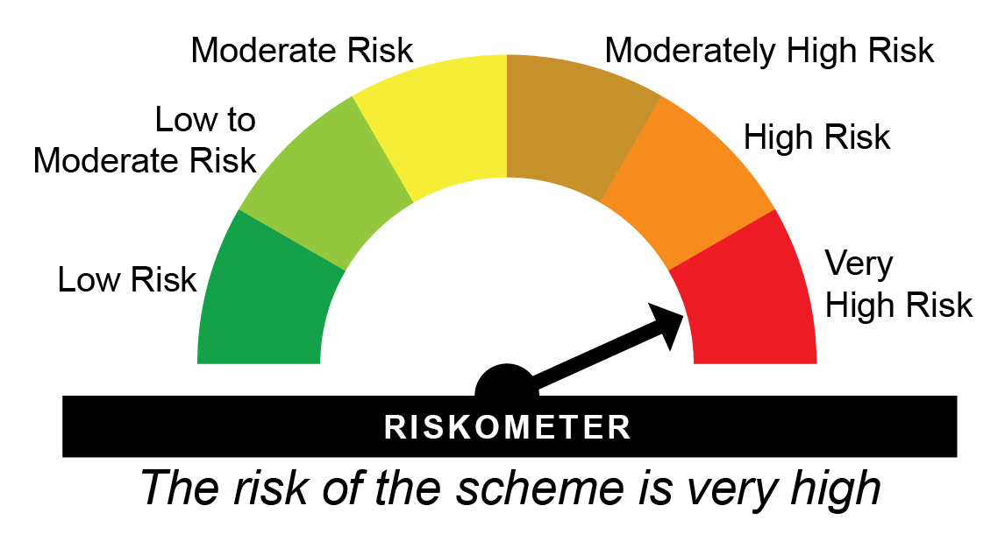
HDFCNY - HDFC Nifty 50 Index Fund - Regular Plan - Growth |  |  |  |  |  | NAV as at May 30, 2025 |  | 233.8092 | Scheme Riskometer
Date | Period | NAV per Unit (₹) | Scheme Returns (%)^ | Benchmark Returns(%)# | Additional Benchmark Returns ##(%) | Value of Investment of ₹ 10000@
 |  |  |  |  |  | Scheme (₹) | Benchmark #(₹) | Additional Benchmark ##(₹)

May 31, 24 | Last 1 Year | 211.459 | 10.57 | 11.08 | 11.33 | 11,054 | 11,104 | 11,129
May 31, 22 | Last 3 Years | 153.484 | 15.06 | 15.56 | 14.95 | 15,233 | 15,432 | 15,189
May 29, 20 | Last 5 Years | 87.382 | 21.73 | 22.29 | 21.66 | 26,757 | 27,380 | 26,686
May 29, 15 | Last 10 Years | 73.865 | 12.2 | 12.73 | 12.74 | 31,654 | 33,201 | 33,226
Jul 17, 02 | Since Inception | 10.326 | 14.61 | 16.45 | 16.85 | 226,428 | 326,500 | 352,994

HDFCNY - HDFC Nifty 50 Index Fund - Direct Plan - Growth |  |  |  |  |  | NAV as at May 30, 2025 |  | 238.9689 | Benchmark Riskometer
Date | Period | NAV per Unit (₹) | Scheme Returns (%)^ | Benchmark Returns(%)# | Additional Benchmark Returns ##(%) | Value of Investment of ₹ 10000@ |  |  | 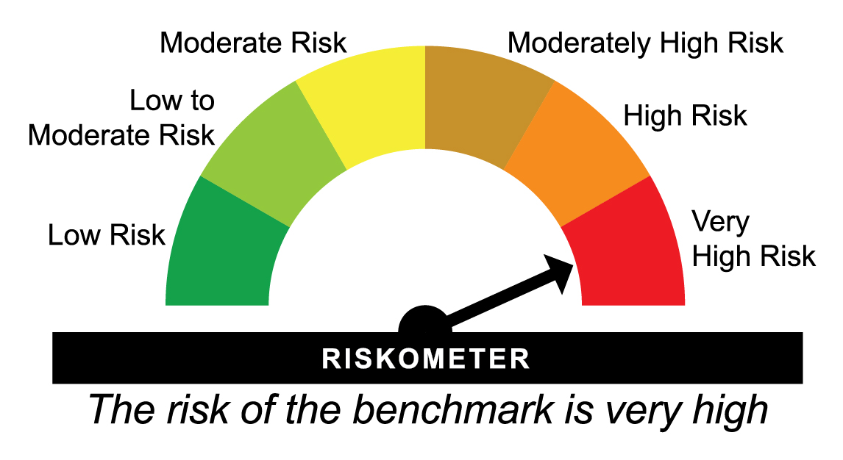
 |  |  |  |  |  | Scheme (₹) | Benchmark #(₹) | Additional Benchmark ##(₹)

May 31, 24 | Last 1 Year | 215.798 | 10.74 | 11.08 | 11.33 | 11,071 | 11,104 | 11,129
May 31, 22 | Last 3 Years | 156.077 | 15.26 | 15.56 | 14.95 | 15,311 | 15,432 | 15,189
May 29, 20 | Last 5 Years | 88.501 | 21.95 | 22.29 | 21.66 | 27,002 | 27,380 | 26,686
May 29, 15 | Last 10 Years | 74.196 | 12.39 | 12.73 | 12.74 | 32,208 | 33,201 | 33,226
Jan 01, 13 | Since Inception | 51.379 | 13.18 | 13.53 | 13.63 | 46,511 | 48,325 | 48,845
^Past performance may or may not be sustained in future and is not a guarantee of any future returns. Returns greater than 1 year are compounded annualized (CAGR). # Nifty 50 TRI ## BSE SENSEX TRI
Since inception returns are calculated on ` 10.3260 ( allotment price)
Different plans viz. Regular Plan and Direct Plan have a different expense structure. The expenses of the Direct Plan under the Scheme will be lower to the extent of the distribution expenses / commission charged in the Regular Plan.
The scheme is managed by Nandita Menezes (since March 29, 2025) & Arun Agarwal (since August 24, 2020).
Since Inception Date = Date of First allotment in the Scheme / Plan.
Load is not taken into consideration for computation of performance.

HDFCSX - HDFC BSE Sensex Index Fund - Regular Plan - Growth |  |  |  |  |  | NAV as at May 30, 2025 |  | 751.4098 | Scheme Riskometer
Date | Period | NAV per Unit (₹) | Scheme Returns (%)^ | Benchmark Returns(%)# | Additional Benchmark Returns ##(%) | Value of Investment of ₹ 10000@
 |  |  |  |  |  | Scheme (₹) | Benchmark #(₹) | Additional Benchmark ##(₹)

May 31, 24 | Last 1 Year | 677.911 | 10.84 | 11.33 | 11.08 | 11,081 | 11,129 | 11,104
May 31, 22 | Last 3 Years | 501.027 | 14.46 | 14.95 | 15.56 | 14,997 | 15,189 | 15,432
May 29, 20 | Last 5 Years | 288.000 | 21.12 | 21.66 | 22.29 | 26,091 | 26,686 | 27,380
May 29, 15 | Last 10 Years | 236.407 | 12.24 | 12.74 | 12.73 | 31,785 | 33,226 | 33,201
Jul 17, 02 | Since Inception | 32.161 | 14.76 | 16.85 | 16.45 | 233,640 | 352,994 | 326,500

HDFCSX - HDFC BSE Sensex Index Fund - Direct Plan - Growth |  |  |  |  |  | NAV as at May 30, 2025 |  | 769.4414 | Benchmark Riskometer
Date | Period | NAV per Unit (₹) | Scheme Returns (%)^ | Benchmark Returns(%)# | Additional Benchmark Returns ##(%) | Value of Investment of ₹ 10000@
 |  |  |  |  |  | Scheme (₹) | Benchmark #(₹) | Additional Benchmark ##(₹)

May 31, 24 | Last 1 Year | 693.106 | 11.01 | 11.33 | 11.08 | 11,098 | 11,129 | 11,104
May 31, 22 | Last 3 Years | 510.451 | 14.66 | 14.95 | 15.56 | 15,074 | 15,189 | 15,432
May 29, 20 | Last 5 Years | 292.230 | 21.34 | 21.66 | 22.29 | 26,330 | 26,686 | 27,380
May 29, 15 | Last 10 Years | 237.910 | 12.44 | 12.74 | 12.73 | 32,342 | 33,226 | 33,201
Jan 01, 13 | Since Inception | 163.634 | 13.28 | 13.63 | 13.53 | 47,022 | 48,845 | 48,325
^Past performance may or may not be sustained in future and is not a guarantee of any future returns. Returns greater than 1 year are compounded annualized (CAGR). # BSE SENSEX TRI ## Nifty 50 TRI
Since inception returns are calculated on ` 32.1610 ( allotment price)
Different plans viz. Regular Plan and Direct Plan have a different expense structure. The expenses of the Direct Plan under the Scheme will be lower to the extent of the distribution expenses / commission charged in the Regular Plan.
The scheme is managed by Nandita Menezes (since March 29, 2025) & Arun Agarwal (since August 24, 2020).
Since Inception Date = Date of First allotment in the Scheme / Plan.
Load is not taken into consideration for computation of performance.

HDFCNY50EW - HDFC NIFTY50 Equal Weight Index Fund - Regular Plan - Growth |  |  |  |  |  | NAV as at May 30, 2025 |  | 17.05 | Scheme Riskometer
Date | Period | NAV per Unit (₹) | Scheme Returns (%)^ | Benchmark Returns(%)# | Additional Benchmark Returns ##(%) | Value of Investment of ₹ 10000@
 |  |  |  |  |  | Scheme (₹) | Benchmark #(₹) | Additional Benchmark ##(₹)

May 31, 24 | Last 1 Year | 15.698 | 8.61 | 9.66 | 11.08 | 10,859 | 10,963 | 11,104
May 31, 22 | Last 3 Years | 10.335 | 18.16 | 19.37 | 15.56 | 16,497 | 17,011 | 15,432
Aug 20, 21 | Since Inception | 10.000 | 15.17 | 16.4 | 12.68 | 17,050 | 17,748 | 15,700

HDFCNY50EW - HDFC NIFTY50 Equal Weight Index Fund - Direct Plan - Growth |  |  |  |  |  | NAV as at May 30, 2025 |  | 17.3931 | Benchmark Riskometer
Date | Period | NAV per Unit (₹) | Scheme Returns (%)^ | Benchmark Returns(%)# | Additional Benchmark Returns ##(%) | Value of Investment of ₹ 10000@
 |  |  |  |  |  | Scheme (₹) | Benchmark #(₹) | Additional Benchmark ##(₹)

May 31, 24 | Last 1 Year | 15.940 | 9.12 | 9.66 | 11.08 | 10,909 | 10,963 | 11,104
May 31, 22 | Last 3 Years | 10.386 | 18.75 | 19.37 | 15.56 | 16,746 | 17,011 | 15,432
Aug 20, 21 | Since Inception | 10.000 | 15.78 | 16.4 | 12.68 | 17,393 | 17,748 | 15,700
^Past performance may or may not be sustained in future and is not a guarantee of any future returns. Returns greater than 1 year are compounded annualized (CAGR). # NIFTY50 Equal Weight TRI ## Nifty 50 TRI
Different plans viz. Regular Plan and Direct Plan have a different expense structure. The expenses of the Direct Plan under the Scheme will be lower to the extent of the distribution expenses / commission charged in the Regular Plan.
The scheme is managed by Nandita Menezes (since March 29, 2025) & Arun Agarwal (since February 01, 2022).
Since Inception Date = Date of First allotment in the Scheme / Plan.
Load is not taken into consideration for computation of performance.

HDFCNYNX50 - HDFC NIFTY Next 50 Index Fund - Regular Plan - Growth |  |  |  |  |  | NAV as at May 30, 2025 |  | 15.4193 | Scheme Riskometer
Date | Period | NAV per Unit (₹) | Scheme Returns (%)^ | Benchmark Returns(%)# | Additional Benchmark Returns ##(%) | Value of Investment of ₹ 10000@
 |  |  |  |  |  | Scheme (₹) | Benchmark #(₹) | Additional Benchmark ##(₹)

May 31, 24 | Last 1 Year | 15.662 | -1.55 | -0.41 | 11.08 | 9,846 | 9,959 | 11,104
May 31, 22 | Last 3 Years | 9.087 | 19.28 | 20.49 | 15.56 | 16,969 | 17,494 | 15,432
Nov 03, 21 | Since Inception | 10.000 | 12.89 | 14.12 | 10.87 | 15,419 | 16,032 | 14,459

HDFCNYNX50 - HDFC NIFTY Next 50 Index Fund - Direct Plan - Growth |  |  |  |  |  | NAV as at May 30, 2025 |  | 15.6682 | Benchmark Riskometer
Date | Period | NAV per Unit (₹) | Scheme Returns (%)^ | Benchmark Returns(%)# | Additional Benchmark Returns ##(%) | Value of Investment of ₹ 10000@
 |  |  |  |  |  | Scheme (₹) | Benchmark #(₹) | Additional Benchmark ##(₹)

May 31, 24 | Last 1 Year | 15.858 | -1.2 | -0.41 | 11.08 | 9,881 | 9,959 | 11,104
May 31, 22 | Last 3 Years | 9.125 | 19.75 | 20.49 | 15.56 | 17,171 | 17,494 | 15,432
Nov 03, 21 | Since Inception | 10.000 | 13.39 | 14.12 | 10.87 | 15,668 | 16,032 | 14,459
^Past performance may or may not be sustained in future and is not a guarantee of any future returns. Returns greater than 1 year are compounded annualized (CAGR). # Nifty Next 50 TRI ## Nifty 50 TRI
Different plans viz. Regular Plan and Direct Plan have a different expense structure. The expenses of the Direct Plan under the Scheme will be lower to the extent of the distribution expenses / commission charged in the Regular Plan.
The scheme is managed by Nandita Menezes (since March 29, 2025) & Arun Agarwal (since February 01, 2022).
Since Inception Date = Date of First allotment in the Scheme / Plan.
Load is not taken into consideration for computation of performance.

HDFCN100EW - HDFC NIFTY 100 Equal Weight Index Fund - Regular Plan - Growth |  |  |  |  |  | NAV as at May 30, 2025 |  | 15.9615 | Scheme Riskometer
Date | Period | NAV per Unit (₹) | Scheme Returns (%)^ | Benchmark Returns(%)# | Additional Benchmark Returns ##(%) | Value of Investment of ₹ 10000@
 |  |  |  |  |  | Scheme (₹) | Benchmark #(₹) | Additional Benchmark ##(₹)

May 31, 24 | Last 1 Year | 15.355 | 3.95 | 5.03 | 11.08 | 10,394 | 10,502 | 11,104
May 31, 22 | Last 3 Years | 9.705 | 18.04 | 19.35 | 15.56 | 16,446 | 16,999 | 15,432
Feb 23, 22 | Since Inception | 10.000 | 15.39 | 16.71 | 13.37 | 15,962 | 16,565 | 15,066

HDFCN100EW - HDFC NIFTY 100 Equal Weight Index Fund - Direct Plan - Growth |  |  |  |  |  | NAV as at May 30, 2025 |  | 16.2144 | Benchmark Riskometer
Date | Period | NAV per Unit (₹) | Scheme Returns (%)^ | Benchmark Returns(%)# | Additional Benchmark Returns ##(%) | Value of Investment of ₹ 10000@
 |  |  |  |  |  | Scheme (₹) | Benchmark #(₹) | Additional Benchmark ##(₹)

May 31, 24 | Last 1 Year | 15.531 | 4.4 | 5.03 | 11.08 | 10,439 | 10,502 | 11,104
May 31, 22 | Last 3 Years | 9.722 | 18.59 | 19.35 | 15.56 | 16,678 | 16,999 | 15,432
Feb 23, 22 | Since Inception | 10.000 | 15.95 | 16.71 | 13.37 | 16,214 | 16,565 | 15,066
^Past performance may or may not be sustained in future and is not a guarantee of any future returns. Returns greater than 1 year are compounded annualized (CAGR). #Nifty100 Equal Weight TRI ## Nifty 50 TRI
Different plans viz. Regular Plan and Direct Plan have a different expense structure. The expenses of the Direct Plan under the Scheme will be lower to the extent of the distribution expenses / commission charged in the Regular Plan.
The scheme is managed by Nandita Menezes (since March 29, 2025) & Arun Agarwal (since March 4, 2022).
Since Inception Date = Date of First allotment in the Scheme / Plan.
Load is not taken into consideration for computation of performance.

HDFCNY100F - HDFC NIFTY 100 Index Fund - Regular Plan - Growth |  |  |  |  |  | NAV as at May 30, 2025 |  | 14.719 | Scheme Riskometer
Date | Period | NAV per Unit (₹) | Scheme Returns (%)^ | Benchmark Returns(%)# | Additional Benchmark Returns ##(%) | Value of Investment of ₹ 10000@
 |  |  |  |  |  | Scheme (₹) | Benchmark #(₹) | Additional Benchmark ##(₹)

May 31, 24 | Last 1 Year | 13.641 | 7.91 | 8.87 | 11.08 | 10,788 | 10,885 | 11,104
May 31, 22 | Last 3 Years | 9.708 | 14.88 | 15.96 | 15.56 | 15,162 | 15,593 | 15,432
Feb 23, 22 | Since Inception | 10.000 | 12.57 | 13.68 | 13.37 | 14,719 | 15,202 | 15,066

HDFCNY100F - HDFC NIFTY 100 Index Fund - Direct Plan - Growth |  |  |  |  |  | NAV as at May 30, 2025 |  | 14.9639 | Benchmark Riskometer
Date | Period | NAV per Unit (₹) | Scheme Returns (%)^ | Benchmark Returns(%)# | Additional Benchmark Returns ##(%) | Value of Investment of ₹ 10000@
 |  |  |  |  |  | Scheme (₹) | Benchmark #(₹) | Additional Benchmark ##(₹)

May 31, 24 | Last 1 Year | 13.807 | 8.38 | 8.87 | 11.08 | 10,835 | 10,885 | 11,104
May 31, 22 | Last 3 Years | 9.728 | 15.44 | 15.96 | 15.56 | 15,383 | 15,593 | 15,432
Feb 23, 22 | Since Inception | 10.000 | 13.14 | 13.68 | 13.37 | 14,964 | 15,202 | 15,066
^Past performance may or may not be sustained in future and is not a guarantee of any future returns. Returns greater than 1 year are compounded annualized (CAGR). #Nifty 100 TRI ## Nifty 50 TRI
Different plans viz. Regular Plan and Direct Plan have a different expense structure. The expenses of the Direct Plan under the Scheme will be lower to the extent of the distribution expenses / commission charged in the Regular Plan.
The scheme is managed by Nandita Menezes (since March 29, 2025) & Arun Agarwal (since March 4, 2022).
Since Inception Date = Date of First allotment in the Scheme / Plan.
Load is not taken into consideration for computation of performance.

HDFCMIDIDF - HDFC Nifty Midcap 150 Index Fund - Regular Plan - Growth |  |  |  |  |  | NAV as at May 30, 2025 |  | 17.7636 | Scheme Riskometer
Date | Period | NAV per Unit (₹) | Scheme Returns (%)^ | Benchmark Returns(%)# | Additional Benchmark Returns ##(%) | Value of Investment of ₹ 10000@
 |  |  |  |  |  | Scheme (₹) | Benchmark #(₹) | Additional Benchmark ##(₹)

May 31, 24 | Last 1 Year | 16.313 | 8.89 | 10.01 | 11.08 | 10,887 | 10,998 | 11,104
Apr 21, 23 | Since Inception | 10.000 | 31.31 | 33.06 | 18.91 | 17,764 | 18,269 | 14,412

HDFCMIDIDF - HDFC Nifty Midcap 150 Index Fund - Direct Plan - Growth |  |  |  |  |  | NAV as at May 30, 2025 |  | 17.989 | Benchmark Riskometer
Date | Period | NAV per Unit (₹) | Scheme Returns (%)^ | Benchmark Returns(%)# | Additional Benchmark Returns ##(%) | Value of Investment of ₹ 10000@
 |  |  |  |  |  | Scheme (₹) | Benchmark #(₹) | Additional Benchmark ##(₹)

May 31, 24 | Last 1 Year | 16.431 | 9.48 | 10.01 | 11.08 | 10,946 | 10,998 | 11,104
Apr 21, 23 | Since Inception | 10.000 | 32.09 | 33.06 | 18.91 | 17,989 | 18,269 | 14,412
^Past performance may or may not be sustained in future and is not a guarantee of any future returns. Returns greater than 1 year are compounded annualized (CAGR). # Nifty Midcap 150 Index TRI ## Nifty 50 TRI
Different plans viz. Regular Plan and Direct Plan have a different expense structure. The expenses of the Direct Plan under the Scheme will be lower to the extent of the distribution expenses / commission charged in the Regular Plan.
The scheme is managed by Nandita Menezes (since March 29, 2025) & Arun Agarwal (since since April 21, 2023).
Since Inception Date = Date of First allotment in the Scheme / Plan.
Load is not taken into consideration for computation of performance.

HDFCSMAIDF - HDFC Nifty Smallcap 250 Index Fund - Regular Plan - Growth |  |  |  |  |  | NAV as at May 30, 2025 |  | 18.0807 | Scheme Riskometer
Date | Period | NAV per Unit (₹) | Scheme Returns (%)^ | Benchmark Returns(%)# | Additional Benchmark Returns ##(%) | Value of Investment of ₹ 10000@
 |  |  |  |  |  | Scheme (₹) | Benchmark #(₹) | Additional Benchmark ##(₹)

May 31, 24 | Last 1 Year | 16.890 | 7.05 | 8.36 | 11.08 | 10,703 | 10,834 | 11,104
Apr 21, 23 | Since Inception | 10.000 | 32.41 | 34.45 | 18.91 | 18,081 | 18,673 | 14,412

HDFCSMAIDF - HDFC Nifty Smallcap 250 Index Fund - Direct Plan - Growth |  |  |  |  |  | NAV as at May 30, 2025 |  | 18.3077 | Benchmark Riskometer
Date | Period | NAV per Unit (₹) | Scheme Returns (%)^ | Benchmark Returns(%)# | Additional Benchmark Returns ##(%) | Value of Investment of ₹ 10000@
 |  |  |  |  |  | Scheme (₹) | Benchmark #(₹) | Additional Benchmark ##(₹)

May 31, 24 | Last 1 Year | 17.012 | 7.61 | 8.36 | 11.08 | 10,759 | 10,834 | 11,104
Apr 21, 23 | Since Inception | 10.000 | 33.2 | 34.45 | 18.91 | 18,308 | 18,673 | 14,412
^Past performance may or may not be sustained in future and is not a guarantee of any future returns. Returns greater than 1 year are compounded annualized (CAGR). # Nifty Smallcap 250 TRI ## Nifty 50 TRI
Different plans viz. Regular Plan and Direct Plan have a different expense structure. The expenses of the Direct Plan under the Scheme will be lower to the extent of the distribution expenses / commission charged in the Regular Plan.
The scheme is managed by Nandita Menezes (since March 29, 2025) & Arun Agarwal (since since April 21, 2023).
Since Inception Date = Date of First allotment in the Scheme / Plan.
Load is not taken into consideration for computation of performance.

HDFC500IDF - HDFC BSE 500 Index Fund - Regular Plan - Growth |  |  |  |  |  | NAV as at May 30, 2025 |  | 15.1279 | Scheme Riskometer
Date | Period | NAV per Unit (₹) | Scheme Returns (%)^ | Benchmark Returns(%)# | Additional Benchmark Returns ##(%) | Value of Investment of ₹ 10000@
 |  |  |  |  |  | Scheme (₹) | Benchmark #(₹) | Additional Benchmark ##(₹)

May 31, 24 | Last 1 Year | 14.098 | 7.31 | 8.54 | 11.08 | 10,729 | 10,851 | 11,104
Apr 21, 23 | Since Inception | 10.000 | 21.68 | 23.31 | 18.91 | 15,128 | 15,558 | 14,412

HDFC500IDF - HDFC BSE 500 Index Fund - Direct Plan - Growth |  |  |  |  |  | NAV as at May 30, 2025 |  | 15.3228 | Benchmark Riskometer
Date | Period | NAV per Unit (₹) | Scheme Returns (%)^ | Benchmark Returns(%)# | Additional Benchmark Returns ##(%) | Value of Investment of ₹ 10000@
 |  |  |  |  |  | Scheme (₹) | Benchmark #(₹) | Additional Benchmark ##(₹)

May 31, 24 | Last 1 Year | 14.203 | 7.88 | 8.54 | 11.08 | 10,786 | 10,851 | 11,104
Apr 21, 23 | Since Inception | 10.000 | 22.42 | 23.31 | 18.91 | 15,323 | 15,558 | 14,412
^Past performance may or may not be sustained in future and is not a guarantee of any future returns. Returns greater than 1 year are compounded annualized (CAGR). # BSE 500 TRI ## Nifty 50 TRI
Different plans viz. Regular Plan and Direct Plan have a different expense structure. The expenses of the Direct Plan under the Scheme will be lower to the extent of the distribution expenses / commission charged in the Regular Plan.
The scheme is managed by Nandita Menezes (since March 29, 2025) & Arun Agarwal (since since April 21, 2023).
Since Inception Date = Date of First allotment in the Scheme / Plan.
Load is not taken into consideration for computation of performance.

HDFCM30IDF - HDFC NIFTY200 Momentum 30 Index Fund - Regular Plan - Growth |  |  |  |  |  | NAV as at May 30, 2025 |  | 10.1791 | Scheme Riskometer
Date | Period | NAV per Unit (₹) | Scheme Returns (%)^ | Benchmark Returns(%)# | Additional Benchmark Returns ##(%) | Value of Investment of ₹ 10000@
 |  |  |  |  |  | Scheme (₹) | Benchmark #(₹) | Additional Benchmark ##(₹)

May 31, 24 | Last 1 Year | 11.423 | -10.89 | -9.77 | 11.08 | 8,914 | 9,026 | 11,104
Feb 28, 24 | Since Inception | 10.000 | 1.43 | 2.73 | 11.36 | 10,179 | 10,343 | 11,442

HDFCM30IDF - HDFC NIFTY200 Momentum 30 Index Fund - Direct Plan - Growth |  |  |  |  |  | NAV as at May 30, 2025 |  | 10.2421 | Benchmark Riskometer
Date | Period | NAV per Unit (₹) | Scheme Returns (%)^ | Benchmark Returns(%)# | Additional Benchmark Returns ##(%) | Value of Investment of ₹ 10000@
 |  |  |  |  |  | Scheme (₹) | Benchmark #(₹) | Additional Benchmark ##(₹)

May 31, 24 | Last 1 Year | 11.438 | -10.46 | -9.77 | 11.08 | 8,957 | 9,026 | 11,104
Feb 28, 24 | Since Inception | 10.000 | 1.93 | 2.73 | 11.36 | 10,242 | 10,343 | 11,442
^Past performance may or may not be sustained in future and is not a guarantee of any future returns. Returns greater than 1 year are compounded annualized (CAGR). # Nifty 200 Momentum 30 TRI ## Nifty 50 TRI
Different plans viz. Regular Plan and Direct Plan have a different expense structure. The expenses of the Direct Plan under the Scheme will be lower to the extent of the distribution expenses / commission charged in the Regular Plan.
The scheme is managed by Nandita Menezes (since March 29, 2025) & Arun Agarwal (since since February 28, 2024).
Since Inception Date = Date of First allotment in the Scheme / Plan.
Load is not taken into consideration for computation of performance.

HDFCREALIF - HDFC NIFTY Realty Index Fund - Regular Plan - Growth |  |  |  |  |  | NAV as at May 30, 2025 |  | 10.5928 | Scheme Riskometer
Date | Period | NAV per Unit (₹) | Scheme Returns (%)^ | Benchmark Returns(%)# | Additional Benchmark Returns ##(%) | Value of Investment of ₹ 10000@
 |  |  |  |  |  | Scheme (₹) | Benchmark #(₹) | Additional Benchmark ##(₹)

May 31, 24 | Last 1 Year | 11.444 | -7.44 | -6.62 | 11.08 | 9,258 | 9,340 | 11,104
Mar 26, 24 | Since Inception | 10.000 | 5.01 | 6.06 | 11.88 | 10,593 | 10,718 | 11,414

HDFCREALIF - HDFC Nifty Realty Index Fund - Direct Plan - Growth |  |  |  |  |  | NAV as at May 30, 2025 |  | 10.6541 | Benchmark Riskometer
Date | Period | NAV per Unit (₹) | Scheme Returns (%)^ | Benchmark Returns(%)# | Additional Benchmark Returns ##(%) | Value of Investment of ₹ 10000@
 |  |  |  |  |  | Scheme (₹) | Benchmark #(₹) | Additional Benchmark ##(₹)

May 31, 24 | Last 1 Year | 11.456 | -7 | -6.62 | 11.08 | 9,302 | 9,340 | 11,104
Mar 26, 24 | Since Inception | 10.000 | 5.53 | 6.06 | 11.88 | 10,654 | 10,718 | 11,414
^Past performance may or may not be sustained in future and is not a guarantee of any future returns. Returns greater than 1 year are compounded annualized (CAGR). # NIFTY Realty Index (TRI) ## Nifty 50 TRI
Different plans viz. Regular Plan and Direct Plan have a different expense structure. The expenses of the Direct Plan under the Scheme will be lower to the extent of the distribution expenses / commission charged in the Regular Plan.
The scheme is managed by Nandita Menezes (since March 29, 2025) & Arun Agarwal (since since March 26, 2024).
Since Inception Date = Date of First allotment in the Scheme / Plan.
Load is not taken into consideration for computation of performance.

HDFCL30IDF - HDFC NIFTY 100 Low Volatility 30 Index Fund - Regular Plan - Growth |  |  |  |  |  | NAV as at May 30, 2025 |  | 10.0552 | Scheme Riskometer
Date | Period | NAV per Unit (₹) | Scheme Returns (%)^ | Benchmark Returns(%)# | Additional Benchmark Returns ##(%) | Value of Investment of ₹ 10000@
 |  |  |  |  |  | Scheme (₹) | Benchmark #(₹) | Additional Benchmark ##(₹)

Nov 29, 24 | Last 6 Months | 9.900 | 3.15 | 4.1 | 6.11 | 10,157 | 10,204 | 10,305

HDFCL30IDF - HDFC NIFTY 100 Low Volatility 30 Index Fund - Direct Plan - Growth |  |  |  |  |  | NAV as at May 30, 2025 |  | 10.1009 | Benchmark Riskometer
Date | Period | NAV per Unit (₹) | Scheme Returns (%)^ | Benchmark Returns(%)# | Additional Benchmark Returns ##(%) | Value of Investment of ₹ 10000@
 |  |  |  |  |  | Scheme (₹) | Benchmark #(₹) | Additional Benchmark ##(₹)

Nov 29, 24 | Last 6 Months | 9.921 | 3.64 | 4.1 | 6.11 | 10,181 | 10,204 | 10,305

^Past performance may or may not be sustained in future and is not a guarantee of any future returns. # NIFTY100 Low Volatility 30 TRI ## Nifty 50 TRI
The scheme is managed by Nandita Menezes (since March 29, 2025) & Arun Agarwal (since since July 10, 2024).
Since Inception Date = Date of First allotment in the Scheme / Plan.
Load is not taken into consideration for computation of performance.

HDFCNY500M - HDFC Nifty500 Multicap 50:25:25 Index Fund - Regular Plan - Growth |  |  |  |  |  | NAV as at May 30, 2025 |  | 9.6569 | Scheme Riskometer
Date | Period | NAV per Unit (₹) | Scheme Returns (%)^ | Benchmark Returns(%)# | Additional Benchmark Returns ##(%) | Value of Investment of ₹ 10000@
 |  |  |  |  |  | Scheme (₹) | Benchmark #(₹) | Additional Benchmark ##(₹)

Nov 29, 24 | Last 6 Months | 9.692 | -0.72 | 0.1 | 6.11 | 9,964 | 10,005 | 10,305

HDFCNY500M - HDFC Nifty500 Multicap 50:25:25 Index Fund - Direct Plan - Growth |  |  |  |  |  | NAV as at May 30, 2025 |  | 9.6934 | Benchmark Riskometer
Date | Period | NAV per Unit (₹) | Scheme Returns (%)^ | Benchmark Returns(%)# | Additional Benchmark Returns ##(%) | Value of Investment of ₹ 10000@
 |  |  |  |  |  | Scheme (₹) | Benchmark #(₹) | Additional Benchmark ##(₹)

Nov 29, 24 | Last 6 Months | 9.705 | -0.24 | 0.1 | 6.11 | 9,988 | 10,005 | 10,305

^Past performance may or may not be sustained in future and is not a guarantee of any future returns. # NIFTY500 MultiCap 50:25:25 TRI ## Nifty 50 TRI
The scheme is managed by Nandita Menezes (since March 29, 2025) & Arun Agarwal (since since August 23, 2024).
Since Inception Date = Date of First allotment in the Scheme / Plan.
Load is not taken into consideration for computation of performance.

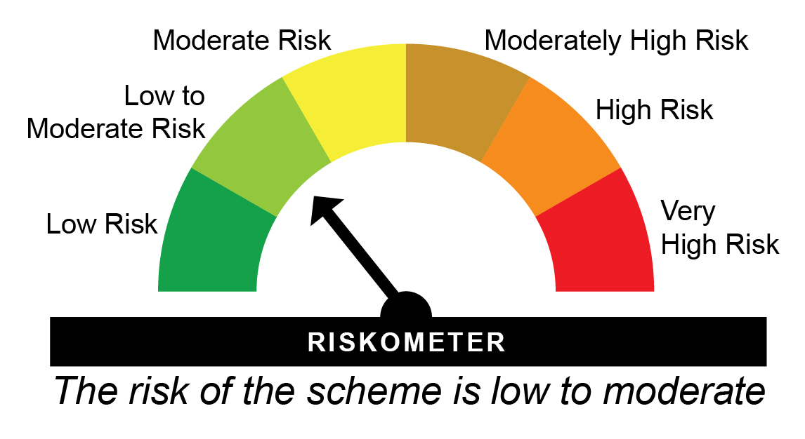
HNGDEC26IF - HDFC Nifty G-Sec Dec 2026 Index Fund - Regular Plan - Growth |  |  |  |  |  | NAV as at May 30, 2025 |  | 12.12 | Scheme Riskometer
Date | Period | NAV per Unit (₹) | Scheme Returns (%)^ | Benchmark Returns(%)# | Additional Benchmark Returns ##(%) | Value of Investment of ₹ 10000@
 |  |  |  |  |  | Scheme (₹) | Benchmark #(₹) | Additional Benchmark ##(₹)

May 31, 24 | Last 1 Year | 11.169 | 8.51 | 9 | 11.71 | 10,849 | 10,897 | 11,168
Nov 10, 22 | Since Inception | 10.000 | 7.82 | 8.19 | 9.72 | 12,120 | 12,226 | 12,674

HNGDEC26IF - HDFC Nifty G-Sec Dec 2026 Index Fund - Direct Plan - Growth |  |  |  |  |  | NAV as at May 30, 2025 |  | 12.1673 | Benchmark Riskometer
Date | Period | NAV per Unit (₹) | Scheme Returns (%)^ | Benchmark Returns(%)# | Additional Benchmark Returns ##(%) | Value of Investment of ₹ 10000@ |  |  | 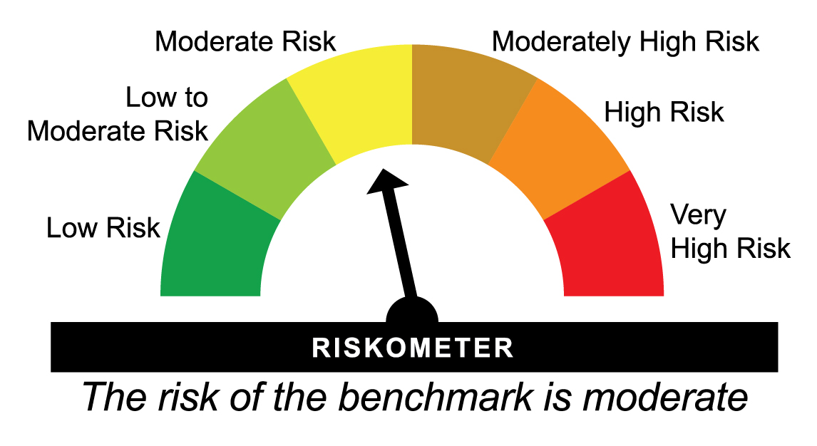
 |  |  |  |  |  | Scheme (₹) | Benchmark #(₹) | Additional Benchmark ##(₹)

May 31, 24 | Last 1 Year | 11.196 | 8.68 | 9 | 11.71 | 10,866 | 10,897 | 11,168
Nov 10, 22 | Since Inception | 10.000 | 7.99 | 8.19 | 9.72 | 12,167 | 12,226 | 12,674
^Past performance may or may not be sustained in future and is not a guarantee of any future returns. Returns greater than 1 year period are compounded annualized (CAGR). # Nifty G-Sec Dec 2026 Index ## CRISIL 10 year Gilt Index
Different plans viz. Regular Plan and Direct Plan have a different expense structure. The expenses of the Direct Plan under the Scheme will be lower to the extent of the distribution expenses / commission charged in the Regular Plan
The scheme is managed by Anupam Joshi (since August 31, 2024) & Sankalp Baid (since March 01, 2025)
Since Inception Date = Date of First allotment in the Scheme / Plan.
Load is not taken into consideration for computation of performance.


HNGJUL31IF - HDFC Nifty G-Sec July 2031 Index Fund - Regular Plan - Growth |  |  |  |  |  | NAV as at May 30, 2025 |  | 12.6763 | Scheme Riskometer
Date | Period | NAV per Unit (₹) | Scheme Returns (%)^ | Benchmark Returns(%)# | Additional Benchmark Returns ##(%) | Value of Investment of ₹ 10000@
 |  |  |  |  |  | Scheme (₹) | Benchmark #(₹) | Additional Benchmark ##(₹)

May 31, 24 | Last 1 Year | 11.291 | 12.27 | 12.63 | 11.71 | 11,223 | 11,259 | 11,168
Nov 10, 22 | Since Inception | 10.000 | 9.73 | 10.12 | 9.72 | 12,676 | 12,791 | 12,674

HNGJUL31IF - HDFC Nifty G-Sec July 2031 Index Fund - Direct Plan - Growth |  |  |  |  |  | NAV as at May 30, 2025 |  | 12.7295 | Benchmark Riskometer
Date | Period | NAV per Unit (₹) | Scheme Returns (%)^ | Benchmark Returns(%)# | Additional Benchmark Returns ##(%) | Value of Investment of ₹ 10000@
 |  |  |  |  |  | Scheme (₹) | Benchmark #(₹) | Additional Benchmark ##(₹)

May 31, 24 | Last 1 Year | 11.321 | 12.44 | 12.63 | 11.71 | 11,240 | 11,259 | 11,168
Nov 10, 22 | Since Inception | 10.000 | 9.91 | 10.12 | 9.72 | 12,730 | 12,791 | 12,674
^Past performance may or may not be sustained in future and is not a guarantee of any future returns. Returns greater than 1 year period are compounded annualized (CAGR). # Nifty G-Sec July 2031 Index ## CRISIL 10 year Gilt Index
Different plans viz. Regular Plan and Direct Plan have a different expense structure. The expenses of the Direct Plan under the Scheme will be lower to the extent of the distribution expenses / commission charged in the Regular Plan
The scheme is managed by Anupam Joshi (since August 31, 2024) & Sankalp Baid (since March 01, 2025)
Since Inception Date = Date of First allotment in the Scheme / Plan.
Load is not taken into consideration for computation of performance.

HNGJUN27IF - HDFC Nifty G-Sec June 2027 Index Fund - Regular Plan - Growth |  |  |  |  |  | NAV as at May 30, 2025 |  | 12.1175 | Scheme Riskometer
Date | Period | NAV per Unit (₹) | Scheme Returns (%)^ | Benchmark Returns(%)# | Additional Benchmark Returns ##(%) | Value of Investment of ₹ 10000@
 |  |  |  |  |  | Scheme (₹) | Benchmark #(₹) | Additional Benchmark ##(₹)

May 31, 24 | Last 1 Year | 11.078 | 9.38 | 9.33 | 11.71 | 10,936 | 10,930 | 11,168
Dec 09, 22 | Since Inception | 10.000 | 8.07 | 8.23 | 9.67 | 12,118 | 12,162 | 12,564

HNGJUN27IF - HDFC Nifty G-Sec June 2027 Index Fund - Direct Plan - Growth |  |  |  |  |  | NAV as at May 30, 2025 |  | 12.1637 | Benchmark Riskometer
Date | Period | NAV per Unit (₹) | Scheme Returns (%)^ | Benchmark Returns(%)# | Additional Benchmark Returns ##(%) | Value of Investment of ₹ 10000@ |  |  | 
 |  |  |  |  |  | Scheme (₹) | Benchmark #(₹) | Additional Benchmark ##(₹)

May 31, 24 | Last 1 Year | 11.103 | 9.55 | 9.33 | 11.71 | 10,952 | 10,930 | 11,168
Dec 09, 22 | Since Inception | 10.000 | 8.24 | 8.23 | 9.67 | 12,164 | 12,162 | 12,564
^Past performance may or may not be sustained in future and is not a guarantee of any future returns. Returns greater than 1 year period are compounded annualized (CAGR). # Nifty G-Sec Jun 2027 Index ## CRISIL 10 year Gilt Index
Different plans viz. Regular Plan and Direct Plan have a different expense structure. The expenses of the Direct Plan under the Scheme will be lower to the extent of the distribution expenses / commission charged in the Regular Plan
The scheme is managed by Anupam Joshi (since August 31, 2024) & Sankalp Baid (since March 01, 2025)
Since Inception Date = Date of First allotment in the Scheme / Plan.
Load is not taken into consideration for computation of performance.

HNGSEP32IF - HDFC Nifty G-Sec Sep 2032 Index Fund - Regular Plan - Growth |  |  |  |  |  | NAV as at May 30, 2025 |  | 12.607 | Scheme Riskometer
Date | Period | NAV per Unit (₹) | Scheme Returns (%)^ | Benchmark Returns(%)# | Additional Benchmark Returns ##(%) | Value of Investment of ₹ 10000@
 |  |  |  |  |  | Scheme (₹) | Benchmark #(₹) | Additional Benchmark ##(₹)

May 31, 24 | Last 1 Year | 11.221 | 12.35 | 12.8 | 11.71 | 11,231 | 11,276 | 11,168
Dec 09, 22 | Since Inception | 10.000 | 9.82 | 10.23 | 9.67 | 12,607 | 12,725 | 12,564

HNGSEP32IF - HDFC Nifty G-Sec Sep 2032 Index Fund - Direct Plan - Growth |  |  |  |  |  | NAV as at May 30, 2025 |  | 12.6609 | Benchmark Riskometer
Date | Period | NAV per Unit (₹) | Scheme Returns (%)^ | Benchmark Returns(%)# | Additional Benchmark Returns ##(%) | Value of Investment of ₹ 10000@
 |  |  |  |  |  | Scheme (₹) | Benchmark #(₹) | Additional Benchmark ##(₹)

May 31, 24 | Last 1 Year | 11.250 | 12.55 | 12.8 | 11.71 | 11,251 | 11,276 | 11,168
Dec 09, 22 | Since Inception | 10.000 | 10.01 | 10.23 | 9.67 | 12,661 | 12,725 | 12,564
^Past performance may or may not be sustained in future and is not a guarantee of any future returns. Returns greater than 1 year period are compounded annualized (CAGR). # Nifty G-Sec Sep 2032 Index ## CRISIL 10 year Gilt Index
Different plans viz. Regular Plan and Direct Plan have a different expense structure. The expenses of the Direct Plan under the Scheme will be lower to the extent of the distribution expenses / commission charged in the Regular Plan
The scheme is managed by Anupam Joshi (since August 31, 2024) & Sankalp Baid (since March 01, 2025)
Since Inception Date = Date of First allotment in the Scheme / Plan.
Load is not taken into consideration for computation of performance.

HNSOCT26IF - HDFC Nifty SDL Oct 2026 Index Fund - Regular Plan - Growth |  |  |  |  |  | NAV as at May 30, 2025 |  | 11.9409 | Scheme Riskometer
Date | Period | NAV per Unit (₹) | Scheme Returns (%)^ | Benchmark Returns(%)# | Additional Benchmark Returns ##(%) | Value of Investment of ₹ 10000@
 |  |  |  |  |  | Scheme (₹) | Benchmark #(₹) | Additional Benchmark ##(₹)

May 31, 24 | Last 1 Year | 10.989 | 8.66 | 9.04 | 11.71 | 10,863 | 10,901 | 11,168
Feb 24, 23 | Since Inception | 10.000 | 8.15 | 8.51 | 10.27 | 11,941 | 12,031 | 12,476

HNSOCT26IF - HDFC Nifty SDL Oct 2026 Index Fund - Direct Plan - Growth |  |  |  |  |  | NAV as at May 30, 2025 |  | 11.9841 | Benchmark Riskometer
Date | Period | NAV per Unit (₹) | Scheme Returns (%)^ | Benchmark Returns(%)# | Additional Benchmark Returns ##(%) | Value of Investment of ₹ 10000@
 |  |  |  |  |  | Scheme (₹) | Benchmark #(₹) | Additional Benchmark ##(₹)

May 31, 24 | Last 1 Year | 11.012 | 8.82 | 9.04 | 11.71 | 10,880 | 10,901 | 11,168
Feb 24, 23 | Since Inception | 10.000 | 8.33 | 8.51 | 10.27 | 11,984 | 12,031 | 12,476
^Past performance may or may not be sustained in future and is not a guarantee of any future returns. Returns greater than 1 year period are compounded annualized (CAGR). # Nifty SDL Oct 2026 Index ## CRISIL 10 year Gilt Index
Different plans viz. Regular Plan and Direct Plan have a different expense structure. The expenses of the Direct Plan under the Scheme will be lower to the extent of the distribution expenses / commission charged in the Regular Plan
The scheme is managed by Anupam Joshi (since August 31, 2024) & Sankalp Baid (since March 01, 2025)
Since Inception Date = Date of First allotment in the Scheme / Plan.
Load is not taken into consideration for computation of performance.

HNGAPR29IF - HDFC Nifty G-Sec Apr 2029 Index Fund - Regular Plan - Growth |  |  |  |  |  | NAV as at May 30, 2025 |  | 12.2553 | Scheme Riskometer
Date | Period | NAV per Unit (₹) | Scheme Returns (%)^ | Benchmark Returns(%)# | Additional Benchmark Returns ##(%) | Value of Investment of ₹ 10000@
 |  |  |  |  |  | Scheme (₹) | Benchmark #(₹) | Additional Benchmark ##(₹)

May 31, 24 | Last 1 Year | 11.035 | 11.06 | 11.46 | 11.71 | 11,103 | 11,142 | 11,168
Mar 10, 23 | Since Inception | 10.000 | 9.57 | 9.96 | 10.33 | 12,255 | 12,351 | 12,444

HNGAPR29IF - HDFC Nifty G-Sec Apr 2029 Index Fund - Direct Plan - Growth |  |  |  |  |  | NAV as at May 30, 2025 |  | 12.2996 | Benchmark Riskometer
Date | Period | NAV per Unit (₹) | Scheme Returns (%)^ | Benchmark Returns(%)# | Additional Benchmark Returns ##(%) | Value of Investment of ₹ 10000@
 |  |  |  |  |  | Scheme (₹) | Benchmark #(₹) | Additional Benchmark ##(₹)

May 31, 24 | Last 1 Year | 11.057 | 11.24 | 11.46 | 11.71 | 11,120 | 11,142 | 11,168
Mar 10, 23 | Since Inception | 10.000 | 9.75 | 9.96 | 10.33 | 12,300 | 12,351 | 12,444
^Past performance may or may not be sustained in future and is not a guarantee of any future returns. Returns greater than 1 year period are compounded annualized (CAGR). # Nifty G-Sec Apr 2029 Index ## CRISIL 10 year Gilt Index
Different plans viz. Regular Plan and Direct Plan have a different expense structure. The expenses of the Direct Plan under the Scheme will be lower to the extent of the distribution expenses / commission charged in the Regular Plan
The scheme is managed by Anupam Joshi (since August 31, 2024) & Sankalp Baid (since March 01, 2025)
Since Inception Date = Date of First allotment in the Scheme / Plan.
Load is not taken into consideration for computation of performance.

HNGJUN36IF - HDFC Nifty G-Sec Jun 2036 Index Fund - Regular Plan - Growth |  |  |  |  |  | NAV as at May 30, 2025 |  | 12.6346 | Scheme Riskometer
Date | Period | NAV per Unit (₹) | Scheme Returns (%)^ | Benchmark Returns(%)# | Additional Benchmark Returns ##(%) | Value of Investment of ₹ 10000@
 |  |  |  |  |  | Scheme (₹) | Benchmark #(₹) | Additional Benchmark ##(₹)

May 31, 24 | Last 1 Year | 11.219 | 12.62 | 12.91 | 11.71 | 11,259 | 11,287 | 11,168
Mar 15, 23 | Since Inception | 10.000 | 11.16 | 11.2 | 10.12 | 12,635 | 12,647 | 12,376

HNGJUN36IF - HDFC Nifty G-Sec Jun 2036 Index Fund - Direct Plan - Growth |  |  |  |  |  | NAV as at May 30, 2025 |  | 12.6879 | Benchmark Riskometer
Date | Period | NAV per Unit (₹) | Scheme Returns (%)^ | Benchmark Returns(%)# | Additional Benchmark Returns ##(%) | Value of Investment of ₹ 10000@
 |  |  |  |  |  | Scheme (₹) | Benchmark #(₹) | Additional Benchmark ##(₹)

May 31, 24 | Last 1 Year | 11.246 | 12.82 | 12.91 | 11.71 | 11,279 | 11,287 | 11,168
Mar 15, 23 | Since Inception | 10.000 | 11.37 | 11.2 | 10.12 | 12,688 | 12,647 | 12,376
^Past performance may or may not be sustained in future and is not a guarantee of any future returns. Returns greater than 1 year period are compounded annualized (CAGR). # Nifty G-Sec Jun 2036 Index ## CRISIL 10 year Gilt Index
Different plans viz. Regular Plan and Direct Plan have a different expense structure. The expenses of the Direct Plan under the Scheme will be lower to the extent of the distribution expenses / commission charged in the Regular Plan
The scheme is managed by Anupam Joshi (since August 31, 2024) & Sankalp Baid (since March 01, 2025)
Since Inception Date = Date of First allotment in the Scheme / Plan.
Load is not taken into consideration for computation of performance.

HNSJUN27IF - HDFC Nifty SDL Plus G-Sec Jun 2027 40:60 Index Fund - Regular Plan - Growth |  |  |  |  |  | NAV as at May 30, 2025 |  | 11.8978 | Scheme Riskometer
Date | Period | NAV per Unit (₹) | Scheme Returns (%)^ | Benchmark Returns(%)# | Additional Benchmark Returns ##(%) | Value of Investment of ₹ 10000@
 |  |  |  |  |  | Scheme (₹) | Benchmark #(₹) | Additional Benchmark ##(₹)

May 31, 24 | Last 1 Year | 10.881 | 9.35 | 9.8 | 11.71 | 10,932 | 10,977 | 11,168
Mar 23, 23 | Since Inception | 10.000 | 8.26 | 8.7 | 10.09 | 11,898 | 12,005 | 12,342

HNSJUN27IF - HDFC Nifty SDL Plus G-Sec Jun 2027 40:60 Index Fund - Direct Plan - Growth |  |  |  |  |  | NAV as at May 30, 2025 |  | 11.9365 | Benchmark Riskometer
Date | Period | NAV per Unit (₹) | Scheme Returns (%)^ | Benchmark Returns(%)# | Additional Benchmark Returns ##(%) | Value of Investment of ₹ 10000@
 |  |  |  |  |  | Scheme (₹) | Benchmark #(₹) | Additional Benchmark ##(₹)

May 31, 24 | Last 1 Year | 10.900 | 9.51 | 9.8 | 11.71 | 10,948 | 10,977 | 11,168
Mar 23, 23 | Since Inception | 10.000 | 8.42 | 8.7 | 10.09 | 11,937 | 12,005 | 12,342
^Past performance may or may not be sustained in future and is not a guarantee of any future returns. Returns greater than 1 year period are compounded annualized (CAGR). # Nifty SDL Plus G-Sec Jun 2027 40:60 Index ## CRISIL 10 year Gilt Index
Different plans viz. Regular Plan and Direct Plan have a different expense structure. The expenses of the Direct Plan under the Scheme will be lower to the extent of the distribution expenses / commission charged in the Regular Plan
The scheme is managed by Anupam Joshi (since August 31, 2024) & Sankalp Baid (since March 01, 2025)
Since Inception Date = Date of First allotment in the Scheme / Plan.
Load is not taken into consideration for computation of performance.

